Sheet1
 | Newton Raphson Youtube
i | x | f(x) | f'(x) | Rel. Error
1 | 1 | -1 | 1
2 | 2 | 1 | 3 | 50
3 | 1.6666666667 | 0.11111111111 | 2.3333333333 | 20
4 | 1.619047619 | 0.0022675736961 | 2.2380952381 | 2.9411764706
5 | 1.6180344478 | 1.0265159334E-06 | 2.2360688956 | 0.062617407639

 | Newton Raphson GPT-4
i | x | f(x) | f'(x) | Rel. Error
1 | 1 | -6 | 1
2 | 7 | 324 | 145 | 85.714285714
3 | 4.7655172414 | 93.694598713 | 66.130463734 | 46.888567294
4 | 3.3487027595 | 25.854311546 | 31.641430514 | 42.309353313
5 | 2.531599641 | 6.16181457 | 17.226990227 | 32.276158728

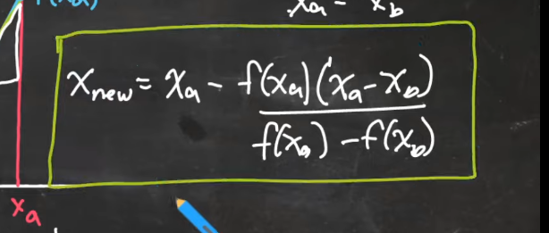

 | Secant Method Youtube |  |  | Example | f(x) = x^2-x-1 | Xa = 3 | Xb = 2
i | Xa | Xb | f(Xa) | f(Xb)
1 | 3 | 2 | 5 | 1
2 | 2 | 1.75 | 1 | 0.3125
3 | 1.75 | 1.6363636364 | 0.3125 | 0.04132231405
4 | 1.6363636364 | 1.619047619 | 0.04132231405 | 0.0022675736961
5 | 1.619047619 | 1.6180422265 | 0.0022675736961 | 1.842020918E-05

 | Secant Method GPT-4 |  |  |  | f(x) =
i | Xa | Xb | f(Xa) | f(Xb)

